Summary Sheet
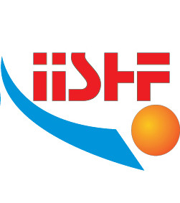
IISHF Annual NMA Reporting

 | National Member Association (NMA)

 | Reporting Year | 2023 | (as per due date 31.12.2023)

 | Population |  |  | Year |  | https://www.worldometers.info/world-population/population-by-country/

 | GDP per capita (USD) |  |  | Year |  | https://data.worldbank.org/indicator/NY.GDP.PCAP.CD

 | Number of Clubs (in all age groups and total) | Total | Men | Women | Veteran | U19 | U16 | U13 | U10
 |  | 0 | 0 | 0 | 0 | 0 | 0 | 0 | 0

 | Number of Teams (registered and over all official competitions) | Total | Men | Women | Veteran | U19 | U16 | U13 | U10
 |  | 0 | 0 | 0 | 0 | 0 | 0 | 0 | 0

 | Number of Players (as per age of the end of the year, every player can only be listed once) |  | Total | Senior | Veteran | U19 | U16 | U13 | U10
 |  | Female | 0 | 0 | 0 | 0 | 0 | 0 | 0
 |  | Male | 0 | 0 | 0 | 0 | 0 | 0 | 0
 |  | Total | 0 | 0 | 0 | 0 | 0 | 0 | 0

 | Number of Rinks (available / existing) | Total | Outdoor (open) |  |  | Outdoor (covered with roof) |  |  | Indoor
 |  | 0 | 0 |  |  | 0 |  |  | 0

 | Referees | Total | Men | Women |  | NMA Comments
 |  | 0 | 0 | 0

 | Game Officials | Total | Men | Women
 |  | 0 | 0 | 0

